GUESS ATS
Picture | Brand | Gender | Macrocategory | Loc | EAN | Sku | Article name | Colour | SIZE | Qty | WHS price | WHS value
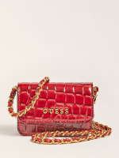 | Guess | Women | Crossbody bag |  |  | PW7402P1303-BUR-OS | Crossbody bag | BUR | OS | 1 | 24.10 € | 24.10 €
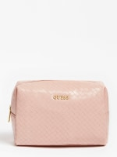 | Guess | Women | Crossbody bag |  |  | PWEMELP1315-ROS-OS | Crossbody bag | ROS | OS | 1 | 15.90 € | 15.90 €
 | Guess | Women | Crossbody bag |  |  | PWEMELP1315-SAG-OS | Crossbody bag | SAG | OS | 1 | 15.90 € | 15.90 €
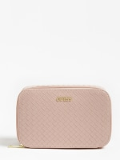 | Guess | Women | Crossbody bag |  |  | PWEMELP1350-RSM-OS | Crossbody bag | RSM | OS | 1 | 28.20 € | 28.20 €
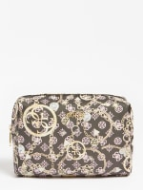 | Guess | Women | Pochette |  |  | PWMILEP1315-BLA-OS | Pochette | BLA | OS | 1 | 15.90 € | 15.90 €
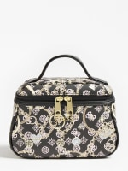 | Guess | Women | Handbag |  |  | PWMILEP1361-BLA-OS | Handbag | BLA | OS | 1 | 20.00 € | 20.00 €
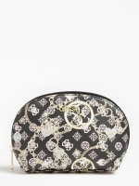 | Guess | Women | Pochette |  |  | PWMILEP1370-BLA-OS | Pochette | BLA | OS | 1 | 11.80 € | 11.80 €
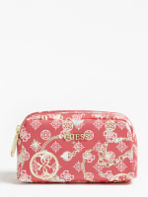 | Guess | Women | Crossbody bag |  |  | PWMILEP1373-BLA-OS | Crossbody bag | BLA | OS | 1 | 15.90 € | 15.90 €
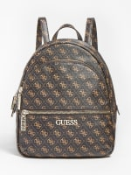 | Guess | Women | Backpack |  |  | HWQL6994320-BRO-OS | Backpack | BRO | OS | 1 | 56.70 € | 56.70 €
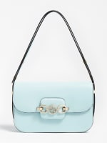 | Guess | Women | Crossbody bag |  |  | HWVS8113210-MGD-OS | Crossbody bag | MGD | OS | 1 | 52.60 € | 52.60 €
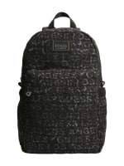 | Guess | Men | Backpack |  |  | HMELLAP1305-NAT-OS | Backpack | NAT | OS | 1 | 36.30 € | 36.30 €
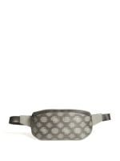 | Guess | Men | Beltbag |  |  | HMQUAPP1330-GYM-OS | Beltbag | GYM | OS | 45 | 30.60 € | 1,377.00 €
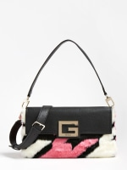 | Guess | Women | Crossbody bag |  |  | HWHG7990190-HDT-OS | Crossbody bag | HDT | OS | 30 | 52.60 € | 1,578.00 €
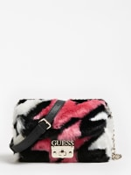 | Guess | Women | Crossbody bag |  |  | HWHG7990780-HDT-OS | Crossbody bag | HDT | OS | 30 | 48.60 € | 1,458.00 €
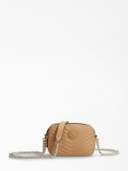 | Guess | Women | Crossbody bag |  |  | HWLG7879140-BEI-OS | Crossbody bag | BEI | OS | 1 | 38.80 € | 38.80 €
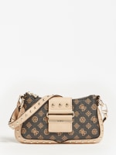 | Guess | Women | Crossbody bag |  |  | HWPG8129200-SAN-OS | Crossbody bag | SAN | OS | 1 | 48.60 € | 48.60 €
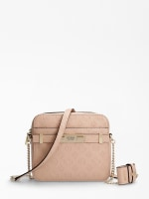 | Guess | Women | Crossbody bag |  |  | HWVS8132140-STO-OS | Crossbody bag | STO | OS | 1 | 44.50 € | 44.50 €
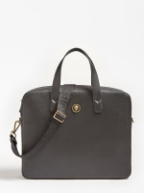 | Guess | Men | Crossbody bag |  |  | HMKINGP0314-BLA-OS | Crossbody bag | BLA | OS | 60 | 55.10 € | 3,306.00 €
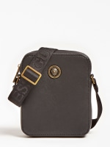 | Guess | Men | Crossbody bag |  |  | HMKINGP0317-BLA-OS | Crossbody bag | BLA | OS | 60 | 30.60 € | 1,836.00 €
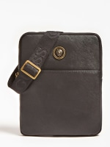 | Guess | Men | Crossbody bag |  |  | HMKINGP0324-BLA-OS | Crossbody bag | BLA | OS | 60 | 30.60 € | 1,836.00 €
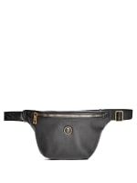 | Guess | Men | Belt bag |  |  | HMKINGP0330-BLA-OS | Belt bag | BLA | OS | 40 | 30.60 € | 1,224.00 €
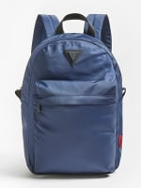 | Guess | Men | Backpack |  |  | HMSMARP0405-BLU-OS | Backpack | BLU | OS | 40 | 32.20 € | 1,288.00 €
 | Guess | Men | Backpack |  |  | HMSMARP0405-MLT-OS | Backpack | MLT | OS | 24 | 32.20 € | 772.80 €
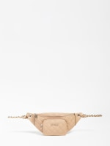 | Guess | Women | Belt bag |  |  | HWVG7970800-BLA-OS | Belt bag | BLA | OS | 1 | 40.40 € | 40.40 €
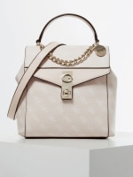 | Guess | Women | Crossbody bag |  |  | HWSG7671320-BRO-OS | Crossbody bag | BRO | OS | 1 | 51.00 € | 51.00 €
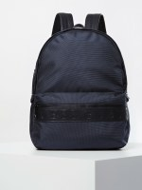 | Guess | Men | Backpack |  |  | HMDNNYP0205-BLU-OS | Backpack | BLU | OS | 5 | 51.00 € | 255.00 €
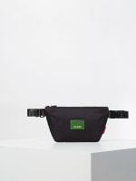 | Guess | Men | Belt bag |  |  | HMNEWMP0230-BLA-OS | Belt bag | BLA | OS | 10 | 22.40 € | 224.00 €
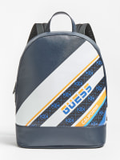 | Guess | Men | Backpack |  |  | HMSAILP0205-NAV-OS | Backpack | NAV | OS | 20 | 51.00 € | 1,020.00 €
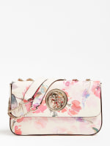 | Guess | Women | Crossbody bag |  |  | HWEF7186210-WHF-OS | Crossbody bag | WHF | OS | 7 | 51.00 € | 357.00 €
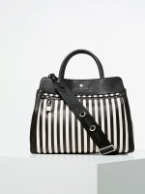 | Guess | Women | Crossbody bag |  |  | HWEVESL0206-STM-OS | Crossbody bag | STM | OS | 8 | 118.30 € | 946.40 €
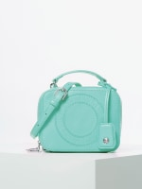 | Guess | Women | Crossbody bag |  |  | HWLILSL0239-AQU-OS | Crossbody bag | AQU | OS | 1 | 65.30 € | 65.30 €
 | Guess | Women | Crossbody bag |  |  | HWLILSL0239-YEL-OS | Crossbody bag | YEL | OS | 40 | 65.30 € | 2,612.00 €
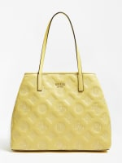 | Guess | Women | Shoulder bag |  |  | HWPE6995240-YEL-OS | Shoulder bag | YEL | OS | 56 | 60.80 € | 3,404.80 €
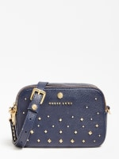 | Guess | Women | Crossbody bag |  |  | HWSAPSL0239-RSM-OS | Crossbody bag | RSM | OS | 46 | 73.40 € | 3,376.40 €
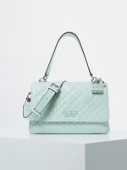 | Guess | Women | Crossbody bag |  |  | HWSY7666190-COR-OS | Crossbody bag | COR | OS | 6 | 55.10 € | 330.60 €
 | Guess | Women | Handbag |  |  | HWVR7667200-ROS-OS | Handbag | ROS | OS | 6 | 52.60 € | 315.60 €
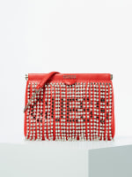 | Guess | Women | Crossbody bag |  |  | HWCLEMP0123-RED-OS | Crossbody bag | RED | OS | 41 | 52.60 € | 2,156.60 €
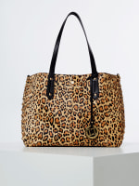 | Guess | Women | Shoulder bag |  |  | HWEVEPL0189-TIM-OS | Shoulder bag | TIM | OS | 15 | 106.10 € | 1,591.50 €
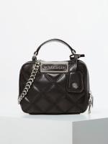 | Guess | Women | Crossbody bag |  |  | HWKIKIL0139-RED-OS | Crossbody bag | RED | OS | 8 | 65.30 € | 522.40 €
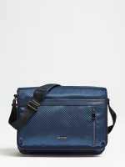 | Guess | Men | Crossbody bag |  |  | HM6670POL92-BLA-OS | Crossbody bag | BLA | OS | 18 | 56.70 € | 1,020.60 €
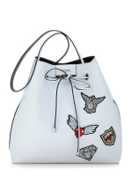 | Guess | Women | Bucket bag |  |  | HWPT6422290-WTB-OS | Bucket bag | WTB | OS | 1 | 53.00 € | 53.00 €
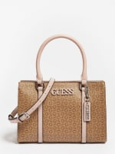 | Guess | Women | Handbag |  |  | HWSV7632050-COA-OS | Handbag | COA | OS | 1 | 56.70 € | 56.70 €
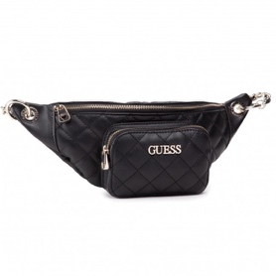 | Guess | Women | Belt bag |  |  | HWVG7942140-BLA-OS | Handbag | BLA | OS | 1 | 44.50 € | 44.50 €
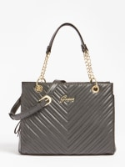 | Guess | Women | Shoulder bag |  |  | HWENERP3106-RED-OS | Shoulder bag | RED | OS | 1 | 55.10 € | 55.10 €
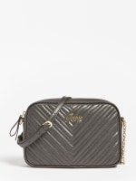 | Guess | Women | Crossbody bag |  |  | HWENERP3139-LIL-OS | Crossbody bag | LIL | OS | 1 | 38.80 € | 38.80 €
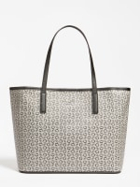 | Guess | Women | Shoulder bag |  |  | HWSV7727240-BLA-OS | Shoulder bag | BLA | OS | 1 | 55.10 € | 55.10 €
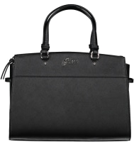 | Guess | Women | Shoulder bag |  |  | HWELIZP1006-CGM-OS | Shoulder bag | CGM | OS | 1 | 55.10 € | 55.10 €
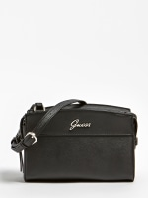 | Guess | Women | Crossbody bag |  |  | HWELIZP1014-BLA-OS | Crossbody bag | BLA | OS | 1 | 38.80 € | 38.80 €
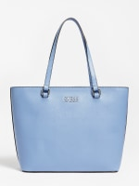 | Guess | Women | Shoulder bag |  |  | HWJJ7506230-OLV-OS | Shoulder bag | OLV | OS | 1 | 55.10 € | 55.10 €
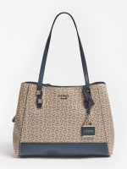 | Guess | Women | Shoulder bag |  |  | HWSV7636060-BLU-OS | Shoulder bag | BLU | OS | 1 | 55.10 € | 55.10 €
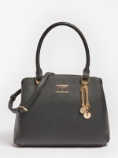 | Guess | Women | Shoulder bag |  |  | HWVG7489060-COG-OS | Shoulder bag | COG | OS | 1 | 56.70 € | 56.70 €
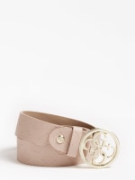 | Guess | Women | Belt |  |  | BW7504VIN35-COR-S | Belt | COR | S | 1 | 20.00 € | 20.00 €
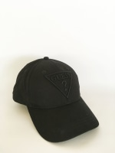 | Guess | Women | Cap |  |  | AWOU90COT01-BCP-OS | Cap | BCP | OS | 8 | 15.90 € | 127.20 €
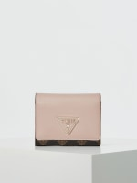 | Guess | Women | Wallet |  |  | SWSP7291430-BRU-OS | Wallet | BRU | OS | 19 | 22.40 € | 425.60 €
 | Guess | Women | Wallet |  |  | SWVG7301650-WHI-OS | Wallet | WHI | OS | 1 | 24.10 € | 24.10 €
 | Guess | Women | Wallet |  |  | SWA83135940-BLS-OS | Wallet | BLS | OS | 2 | 24.10 € | 48.20 €
 | Guess | Women | Wallet |  |  | SWCC7855550-COA-OS | Wallet | COA | OS | 2 | 24.10 € | 48.20 €
 | Guess | Women | Wallet |  |  | SWF79425900-BLA-OS | Wallet | BLA | OS | 2 | 32.20 € | 64.40 €
 | Guess | Women | Wallet |  |  | SWV76355990-BLA-OS | Wallet | BLA | OS | 1 | 30.60 € | 30.60 €
 | Guess | Women | Wallet |  |  | HWERMNP4026-BLA-OS | Wallet | BLA | OS | 1 | 24.10 € | 24.10 €
 | Guess | Women | Handbag |  |  | TWG81419190-BRO-OS | Handbag | BRO | OS | 25 | 64.90 € | 1,622.50 €
 | Guess | Women | Crossbody bag |  |  | TWG81419300-BRO-OS | Crossbody bag | BRO | OS | 30 | 59.20 € | 1,776.00 €
 | Guess | Women | Trolley |  |  | TWG81419830-BRO-OS | Trolley | BRO | OS | 30 | 64.90 € | 1,947.00 €
 | Guess | Women | Trolley |  |  | TWG81419880-BRO-OS | Trolley | BRO | OS | 30 | 77.10 € | 2,313.00 €
 | Guess | Women | Trolley |  |  | TWLUCIP5003-SIL-S | Trolley | SIL | S | 1 | 56.70 € | 56.70 €
 | Guess | Women | Trolley |  |  | TWLUCIP5003-SIL-M | Trolley | SIL | M | 1 | 56.70 € | 56.70 €
 | Guess | W | Sneakers |  |  | FL6MRLFAL12-BLACK-35 | Sneakers | BLACK |  | 2 | 38.00 € | 76.00 €
 | Guess | W | Sneakers |  |  | FL6MRLFAL12-BLACK-36 | Sneakers | BLACK |  | 3 | 38.00 € | 114.00 €
 | Guess | W | Sneakers |  |  | FL6MRLFAL12-BLACK-37 | Sneakers | BLACK |  | 4 | 38.00 € | 152.00 €
 | Guess | W | Sneakers |  |  | FL6MRLFAL12-BLACK-38 | Sneakers | BLACK |  | 1 | 38.00 € | 38.00 €
 | Guess | W | Sneakers |  |  | FL6MRLFAL12-BLACK-39 | Sneakers | BLACK |  | 4 | 38.00 € | 152.00 €
 | Guess | W | Sneakers |  |  | FL6MRLFAL12-BLACK-40 | Sneakers | BLACK |  | 1 | 38.00 € | 38.00 €
 | Guess | W | Sneakers |  |  | FL6MRLFAL12-BLACK-41 | Sneakers | BLACK |  | 1 | 38.00 € | 38.00 €
 | Guess | W | Sneakers |  |  | FL5BIKESU12-SILVE-35 | Sneakers | SILVE |  | 18 | 50.00 € | 900.00 €
 | Guess | W | Sneakers |  |  | FL5BIKESU12-SILVE-36 | Sneakers | SILVE |  | 15 | 50.00 € | 750.00 €
 | Guess | W | Sneakers |  |  | FL5BIKESU12-SILVE-37 | Sneakers | SILVE |  | 13 | 50.00 € | 650.00 €
 | Guess | W | Sneakers |  |  | FL5BIKESU12-SILVE-38 | Sneakers | SILVE |  | 6 | 50.00 € | 300.00 €
 | Guess | W | Sneakers |  |  | FL5BIKESU12-SILVE-39 | Sneakers | SILVE |  | 1 | 50.00 € | 50.00 €
 | Guess | W | Sneakers |  |  | FL5BIKESU12-SILVE-40 | Sneakers | SILVE |  | 5 | 50.00 € | 250.00 €
 | Guess | W | Sneakers |  |  | FL5BIKESU12-SILVE-41 | Sneakers | SILVE |  | 9 | 50.00 € | 450.00 €
 | Guess | W | Sneakers |  |  | FL5REJELE12-BLACK-35 | Sneakers | BLACK |  | 4 | 54.00 € | 216.00 €
 | Guess | W | Sneakers |  |  | FL5REJELE12-BLACK-37 | Sneakers | BLACK |  | 2 | 54.00 € | 108.00 €
 | Guess | W | Sneakers |  |  | FL5REJELE12-BLACK-39 | Sneakers | BLACK |  | 3 | 54.00 € | 162.00 €
 | Guess | W | Sneakers |  |  | FL5REJELE12-WHIPI-35 | Sneakers | WHIPI |  | 4 | 54.00 € | 216.00 €
 | Guess | W | Sneakers |  |  | FL5REJELE12-WHIPI-36 | Sneakers | WHIPI |  | 2 | 54.00 € | 108.00 €
 | Guess | W | Sneakers |  |  | FL5REJELE12-WHIPI-37 | Sneakers | WHIPI |  | 9 | 54.00 € | 486.00 €
 | Guess | W | Sneakers |  |  | FL5REJELE12-WHIPI-38 | Sneakers | WHIPI |  | 2 | 54.00 € | 108.00 €
 | Guess | W | Sneakers |  |  | FL5REJELE12-WHIPI-39 | Sneakers | WHIPI |  | 6 | 54.00 € | 324.00 €
 | Guess | W | Sneakers |  |  | FL5REJELE12-WHIPI-40 | Sneakers | WHIPI |  | 1 | 54.00 € | 54.00 €
 | Guess | W | Sneakers |  |  | FL5YL2LEA12-BLACK-35 | Sneakers | BLACK |  | 3 | 50.00 € | 150.00 €
 | Guess | W | Sneakers |  |  | FL5YL2LEA12-BLACK-36 | Sneakers | BLACK |  | 2 | 50.00 € | 100.00 €
 | Guess | W | Sneakers |  |  | FL5YL2LEA12-BLACK-37 | Sneakers | BLACK |  | 2 | 50.00 € | 100.00 €
 | Guess | W | Sneakers |  |  | FL5YL2LEA12-BLACK-39 | Sneakers | BLACK |  | 7 | 50.00 € | 350.00 €
 | Guess | W | Sneakers |  |  | FL5YL2LEA12-BLACK-40 | Sneakers | BLACK |  | 7 | 50.00 € | 350.00 €
 | Guess | W | Sneakers |  |  | FL5YL2LEA12-BLACK-41 | Sneakers | BLACK |  | 4 | 50.00 € | 200.00 €
 | Guess | W | Sneakers |  |  | FL8AAIELE12-WHITE-39 | Sneakers | WHITE |  | 1 | 50.00 € | 50.00 €
 | Guess | W | Sneakers |  |  | FL8AAIELE12-WHITE-40 | Sneakers | WHITE |  | 1 | 50.00 € | 50.00 €
 | Guess | W | Sneakers |  |  | FL8JAYFAL12-BLACK-36 | Sneakers | BLACK |  | 1 | 54.00 € | 54.00 €
 | Guess | W | Sneakers |  |  | FL8JAYFAL12-BLACK-37 | Sneakers | BLACK |  | 2 | 54.00 € | 108.00 €
 | Guess | W | Sneakers |  |  | FL8JAYFAL12-BLACK-38 | Sneakers | BLACK |  | 3 | 54.00 € | 162.00 €
 | Guess | W | Sneakers |  |  | FL8JAYFAL12-BLACK-39 | Sneakers | BLACK |  | 2 | 54.00 € | 108.00 €
 | Guess | W | Sneakers |  |  | FL8JAYFAL12-BLACK-41 | Sneakers | BLACK |  | 1 | 54.00 € | 54.00 €
 | Guess | W | Sneakers |  |  | FL7AE2FAL08-BEIBR-39 | Sneakers | BEIBR |  | 1 | 55.60 € | 55.60 €
 | Guess | W | Sneakers |  |  | FL6OFEFAL03-WHITE-35 | Sneakers | WHITE |  | 9 | 43.60 € | 392.40 €
 | Guess | W | Sneakers |  |  | FL6OFEFAL03-WHITE-36 | Sneakers | WHITE |  | 14 | 43.60 € | 610.40 €
 | Guess | W | Sneakers |  |  | FL6OFEFAL03-WHITE-37 | Sneakers | WHITE |  | 12 | 43.60 € | 523.20 €
 | Guess | W | Sneakers |  |  | FL6OFEFAL03-WHITE-38 | Sneakers | WHITE |  | 12 | 43.60 € | 523.20 €
 | Guess | W | Sneakers |  |  | FL6OFEFAL03-WHITE-39 | Sneakers | WHITE |  | 3 | 43.60 € | 130.80 €
 | Guess | W | Sneakers |  |  | FL6OFEFAL03-WHITE-41 | Sneakers | WHITE |  | 2 | 43.60 € | 87.20 €
 | Guess | W | Sneakers |  |  | FL6JAXRUB21-YELLO-35 | Sneakers | YELLO |  | 6 | 27.60 € | 165.60 €
 | Guess | W | Sneakers |  |  | FL6JAXRUB21-YELLO-36 | Sneakers | YELLO |  | 6 | 27.60 € | 165.60 €
 | Guess | W | Sneakers |  |  | FL6JAXRUB21-YELLO-37 | Sneakers | YELLO |  | 13 | 27.60 € | 358.80 €
 | Guess | W | Sneakers |  |  | FL6JAXRUB21-YELLO-39 | Sneakers | YELLO |  | 3 | 27.60 € | 82.80 €
 | Guess | W | Sneakers |  |  | FL6JAXRUB21-YELLO-40 | Sneakers | YELLO |  | 5 | 27.60 € | 138.00 €
 | Guess | W | Sneakers |  |  | FL6JAXRUB21-YELLO-41 | Sneakers | YELLO |  | 6 | 27.60 € | 165.60 €
 | Guess | W | Sneakers |  |  | FL6LAELEA04-TAN-36 | Sneakers | TAN |  | 1 | 58.00 € | 58.00 €
 | Guess | W | Sneakers |  |  | FL6LAELEA04-TAN-37 | Sneakers | TAN |  | 2 | 58.00 € | 116.00 €
 | Guess | W | Sneakers |  |  | FL6LAELEA04-TAN-38 | Sneakers | TAN |  | 2 | 58.00 € | 116.00 €
 | Guess | W | Sneakers |  |  | FL6LAELEA04-TAN-39 | Sneakers | TAN |  | 2 | 58.00 € | 116.00 €
 | Guess | W | Sneakers |  |  | FL6LAELEA04-TAN-40 | Sneakers | TAN |  | 1 | 58.00 € | 58.00 €
 | Guess | W | Sneakers |  |  | FL6LAELEA04-TAN-41 | Sneakers | TAN |  | 1 | 58.00 € | 58.00 €
 | Guess | W | Sneakers |  |  | FL6RA3DEN03-BLUE-35 | Sneakers | BLUE |  | 1 | 47.60 € | 47.60 €
 | Guess | W | Sneakers |  |  | FL6RA3DEN03-BLUE-36 | Sneakers | BLUE |  | 2 | 47.60 € | 95.20 €
 | Guess | W | Sneakers |  |  | FL6RA3DEN03-BLUE-37 | Sneakers | BLUE |  | 2 | 47.60 € | 95.20 €
 | Guess | W | Sneakers |  |  | FL6RA3DEN03-BLUE-38 | Sneakers | BLUE |  | 2 | 47.60 € | 95.20 €
 | Guess | W | Sneakers |  |  | FL6RA3DEN03-BLUE-41 | Sneakers | BLUE |  | 2 | 47.60 € | 95.20 €
 | Guess | W | Sneakers |  |  | FL6REOLEA03-BEIGE-35 | Sneakers | BEIGE |  | 1 | 50.00 € | 50.00 €
 | Guess | W | Sneakers |  |  | FL6REOLEA03-BEIGE-36 | Sneakers | BEIGE |  | 2 | 50.00 € | 100.00 €
 | Guess | W | Sneakers |  |  | FL6REOLEA03-BEIGE-37 | Sneakers | BEIGE |  | 2 | 50.00 € | 100.00 €
 | Guess | W | Sneakers |  |  | FL6REOLEA03-BEIGE-38 | Sneakers | BEIGE |  | 2 | 50.00 € | 100.00 €
 | Guess | W | Sneakers |  |  | FL6REOLEA03-BEIGE-41 | Sneakers | BEIGE |  | 1 | 50.00 € | 50.00 €
 | Guess | W | Sneakers |  |  | FL5B2NPAF08-YELLO-35 | Sneakers | YELLO |  | 1 | 51.60 € | 51.60 €
...

